Budget Form
Royal Brompton and Harefield Hospitals Charity Project Budget Form

If you need any assistance. please contact the Grants Team at grants@rbhcharity.org . Please include delivery, maintenance and VAT costs, when/if applicable. The Charity is exempt from VAT for the purchase of some medical equipment. Please contact the Grants Team. |  |  |  | 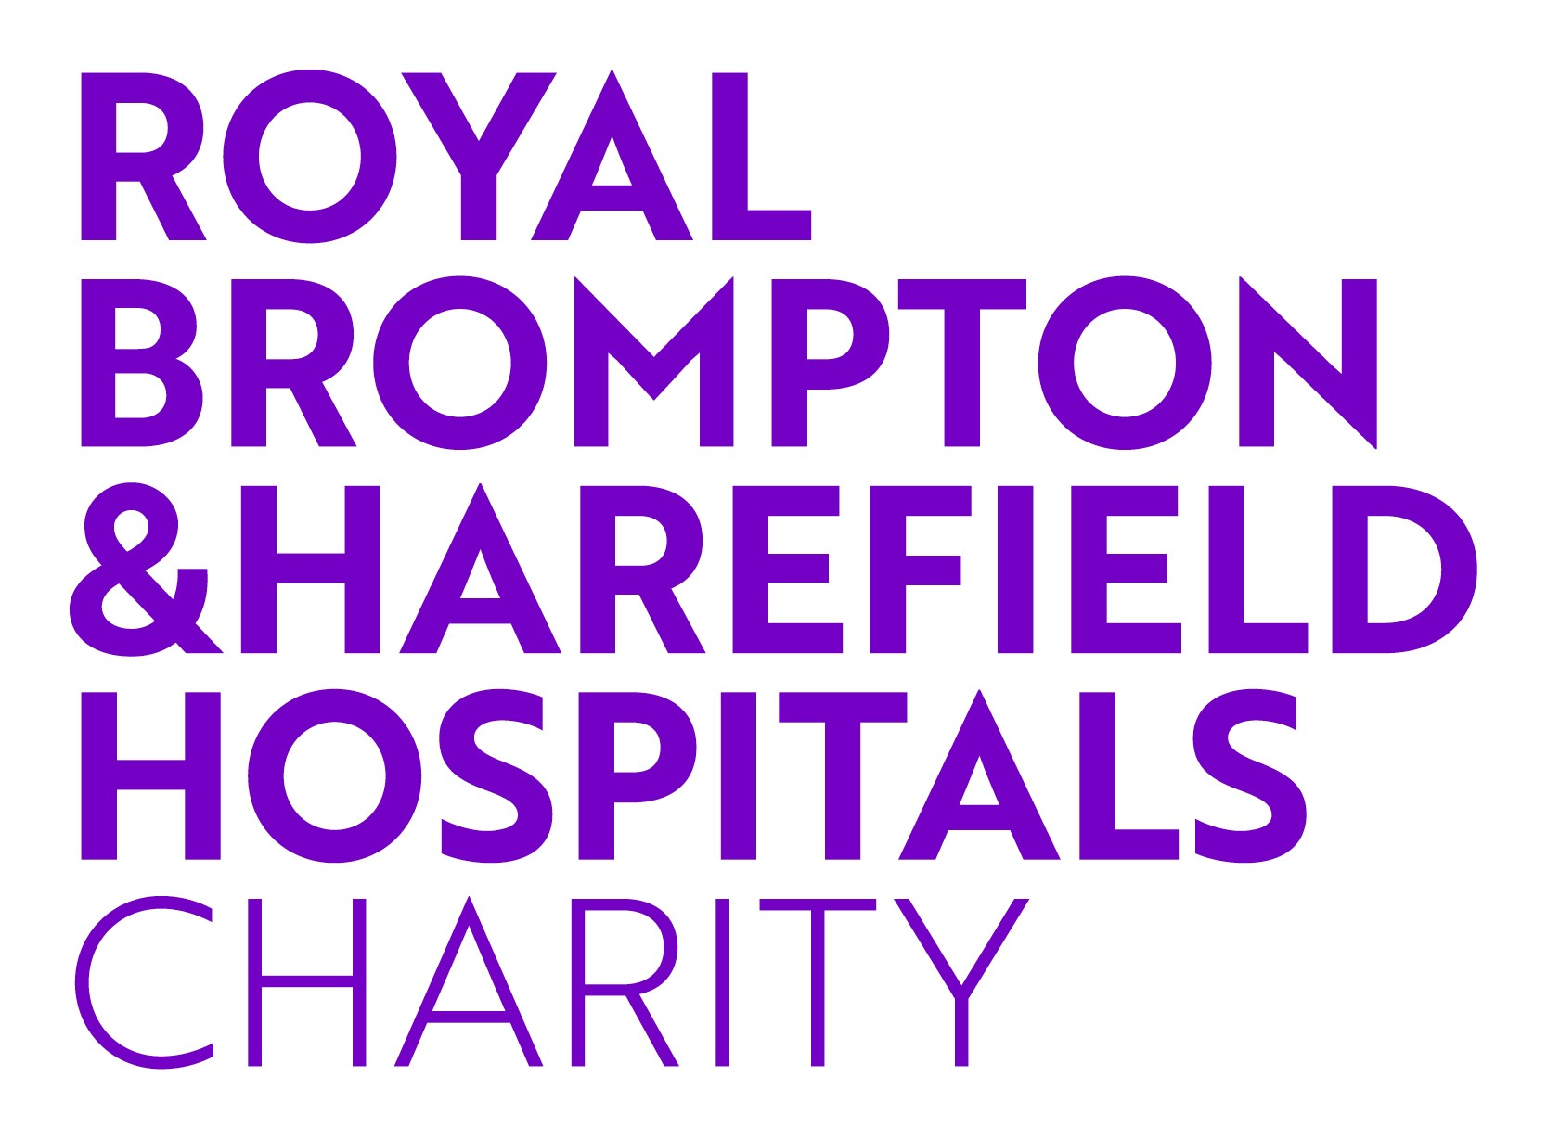

Name of applicant: | INSERT NAME

Budget heading (for example materials needed, leaflets, printing costs, etc) | Link to supplier (if applicable) | Quantity | Unit Cost (inc VAT and Delivery) | Total | Amount requested from RBH Charity

Total project costs |  |  |  | £0.00 | £0.00

